Shivam Vishwakarma
This Photo by Unknown Author is licensed under CC BY-SA
RAMANAND S VISHWAKARMA FURNITURE
ADD:- G-604, Pancham Pentagon mansarover road, IOC road, Chandkheda, Ahmedabad Gujarat-382424 Phone No:- +91-9925482498 Email:-vramanand15@gmail.com GST No:-240ANNPV7097E1ZD
Shivam Vishwakarma
Estimate by:- Ramanand Vishwakarma |  |  |  |  |  | Estimate No:-01
SIDE Location:- Motera Mobile Stores |  |  |  |  |  | Date:-03-11-2024
Sr. No- | Item Name | L | B | Area | Qty | Rate | Amount

A | Mix Work
1 | Switch Box | 45.5 | 93.0 | 29.4 | 1 | 265 | 7,787.14
2 | Entry Glass Door box panel | 67.5 | 93.0 | 43.6 | 1 | 120 | 5,231.25
3 | Entry Paneling | 60.0 | 93.0 | 38.8 | 1 | 105 | 4,068.75
4 | Reception counter | 48.5 | 48.0 | 16.2 | 1 | 265 | 4,284.17
5 | Center Counter & shutter | 38.0 | 35.8 | 9.4 | 1 | 200 | 1,886.81
6 | Center Counter | 47.8 | 35.8 | 11.9 | 7 | 200 | 16,596.44
7 | Center Counter shutter | 24.0 | 35.8 | 6.0 | 1 | 200 | 1,191.67
8 | Center Reappering Counter | 48.0 | 35.8 | 11.9 | 2 | 200 | 4,766.67
9 | Center Reappering Counter back side box panel | 105.0 | 96.0 | 70.0 | 1 | 120 | 8,400.00
10 | Drawer box | 41.0 | 191.0 | 54.4 | 1 | 200 | 10,876.39
11 | Drawer |  |  |  | 40 | 550 | 22,000.00
12 | Shutter box | 186.0 | 41.0 | 53.0 | 1 | 265 | 14,033.96
13 | Glass Shelf Box | 45.0 | 377.0 | 117.8 | 1 | 200 | 23,562.50
14 | Maliya box type | 12.0 | 377.0 | 31.4 | 1 | 265 | 8,325.42
15 | Slider Shutter | 46.0 | 42.0 | 13.4 | 1 | 120 | 1,610.00
16 | Slider Shutter Display Panel | 92.0 | 42.0 | 26.8 | 1 | 120 | 3,220.00
17 | Reception counter back side paneling & Showcase | 61.0 | 93.0 | 39.4 | 1 | 130 | 5,121.46
18 | Back side AC Wall Panel | 42.5 | 113.0 | 33.4 | 1 | 120 | 4,002.08
19 | Back side AC Wall box | 53.0 | 113.0 | 41.6 | 1 | 265 | 11,021.42
20 | Back side AC Wall box | 14.0 | 42.5 | 4.1 | 1 | 265 | 1,094.97
21 | Back side AC Wall box | 14.5 | 30.0 | 3.0 | 1 | 265 | 800.52
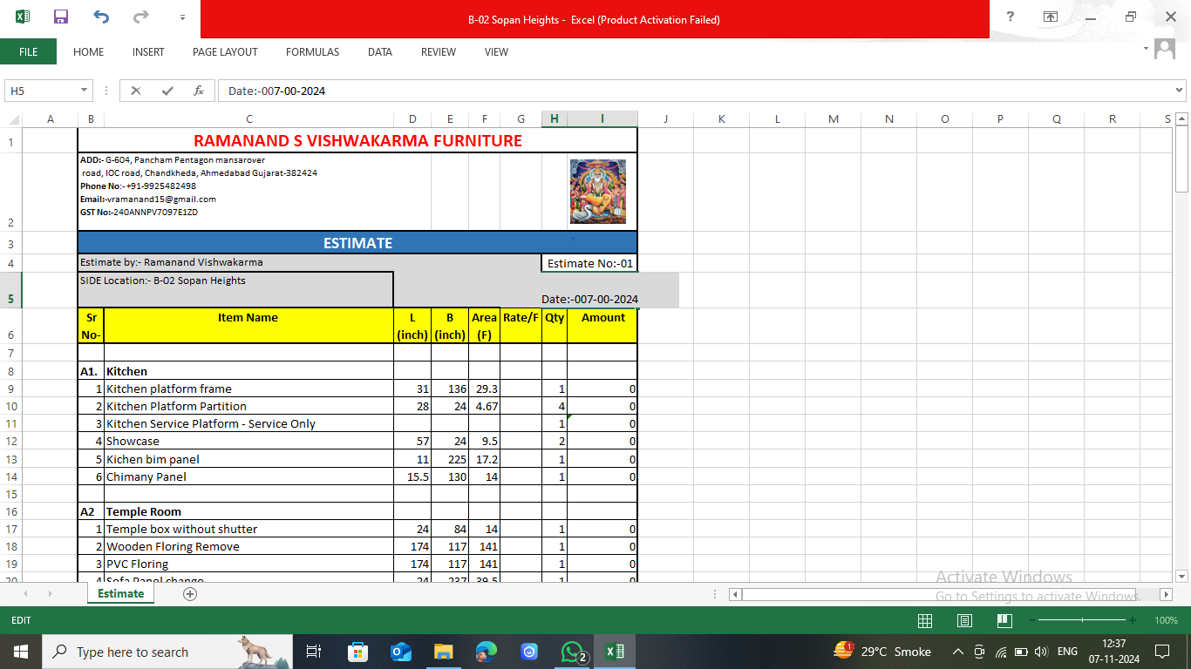
22 | Bench back panel | 121.0 | 64.0 | 53.8 | 1 | 120 | 6,453.33
23 | Bench Box type | 19.8 | 122.0 | 16.7 | 2 | 265 | 8,868.30
24 | Profile Shutter box | 356.0 | 86.5 | 213.8 | 1 | 200 | 42,769.44
25 | Box type Maliya | 492.0 | 12.0 | 41.0 | 1 | 265 | 10,865.00
 | Total Amount |  |  |  |  |  | 228,837.67

 | Upad hazri

1 | Shreenand |  |  |  | 650 | 34.0 | 22,100.00
2 | Jymin |  |  |  | 340 | 29.5 | 10,030.00
3 | Satrughan |  |  |  | 340 | 40.0 | 13,600.00
4 | Ankit |  |  |  | 390 | 1.5 | 585.00
5 | Shivam Khojapur |  |  |  | 410 | 1.5 | 615.00
6 | Anoop |  |  |  | 540 | 4.0 | 2,160.00
7 | Prasant |  |  |  | 380 | 5.0 | 1,900.00
 |  |  |  |  |  |  | 50,990.00

 | Hazri total |  |  |  |  |  | 177,847.67
 | Upad |  |  |  |  |  | 92,001.00
 | Total pending |  |  |  |  |  | 85,846.67

Estimate-2
This Photo by Unknown Author is licensed under CC BY-SA
RAMANAND S VISHWAKARMA FURNITURE
ADD:- G-604, Pancham Pentagon mansarover road, IOC road, Chandkheda, Ahmedabad Gujarat-382424 Phone No:- +91-9925482498 Email:-vramanand15@gmail.com GST No:-240ANNPV7097E1ZD
Without Material Estimate
Estimate by:- Ramanand Vishwakarma |  |  |  |  |  | Estimate No:-02
SIDE Location:- Motera Mobile Stores |  |  |  |  |  | Date:-03-11-2024
Sr. No- | Item Name | L | B | Area | Qty | Rate | Amount

A | Mix Work
1 | Switch Box | 45.5 | 93.0 | 29.4 | 1 | 375 | 11,019.53 | ok
2 | Entry Glass Door box panel | 67.5 | 93.0 | 43.6 | 1 | 300 | 13,078.13 | ok
3 | Entry Paneling | 60.0 | 93.0 | 38.8 | 1 | 200 | 7,750.00 | ok
4 | Reception counter | 48.5 | 48.0 | 16.2 | 1 | 375 | 6,062.50 | ok
5 | Center Counter & shutter | 38.0 | 35.8 | 9.4 | 1 | 375 | 3,537.76 | ok
6 | Center Counter | 47.8 | 35.8 | 11.9 | 7 | 375 | 31,118.33 | ok
7 | Center Counter shutter | 24.0 | 35.8 | 6.0 | 1 | 275 | 1,638.54 | ok
8 | Center Reappering Counter | 48.0 | 35.8 | 11.9 | 2 | 375 | 8,937.50 | ok
9 | Center Reappering Counter back side box panel | 105.0 | 96.0 | 70.0 | 1 | 300 | 21,000.00 | ok
10 | Drawer box | 41.0 | 191.0 | 54.4 | 1 | 300 | 16,314.58 | ok |  | 51
11 | Drawer |  |  |  | 40 | 850 | 34,000.00 | ok
12 | Shutter box | 186.0 | 41.0 | 53.0 | 1 | 375 | 19,859.38 | ok
13 | Glass Shelf Box | 45.0 | 377.0 | 117.8 | 1 | 375 | 44,179.69 | ok | 496
14 | Maliya box type | 12.0 | 377.0 | 31.4 | 1 | 375 | 11,781.25 | ok
15 | Slider Shutter | 46.0 | 42.0 | 13.4 | 1 | 220 | 2,951.67 | ok
16 | Slider Shutter Display Panel | 92.0 | 42.0 | 26.8 | 1 | 240 | 6,440.00 | ok
17 | Reception counter back side paneling & Showcase | 61.0 | 93.0 | 39.4 | 1 | 250 | 9,848.96 | ok
18 | Back side AC Wall Panel | 42.5 | 113.0 | 33.4 | 1 | 240 | 8,004.17 | ok
19 | Back side AC Wall box | 53.0 | 113.0 | 41.6 | 1 | 375 | 15,596.35 | ok
20 | Back side AC Wall box | 14.0 | 42.5 | 4.1 | 1 | 375 | 1,549.48 | ok
21 | Back side AC Wall box | 14.5 | 30.0 | 3.0 | 1 | 375 | 1,132.81 | ok
22 | Bench back panel | 121.0 | 64.0 | 53.8 | 1 | 240 | 12,906.67 | ok
23 | Bench Box type | 19.8 | 122.0 | 16.7 | 2 | 375 | 12,549.48 | ok
24 | Profile Shutter box | 356.0 | 86.5 | 213.8 | 1 | 375 | 80,192.71 | ok
25 | Box type Maliya | 492.0 | 12.0 | 41.0 | 1 | 375 | 15,375.00 | ok
 | Total Amount |  |  |  |  |  | 396,824.47
 | Received Amount |  |  |  |  |  | 295,000.00
 | Pending Amount |  |  |  |  |  | 101,824.47

Estimate
This Photo by Unknown Author is licensed under CC BY-SA
RAMANAND S VISHWAKARMA FURNITURE
ADD:- G-604, Pancham Pentagon mansarover road, IOC road, Chandkheda, Ahmedabad Gujarat-382424 Phone No:- +91-9925482498 Email:-vramanand15@gmail.com GST No:-240ANNPV7097E1ZD
With Material & Without Material Estimate
Estimate by:- Ramanand Vishwakarma |  |  |  |  |  |  |  | Estimate No:-01
SIDE Location:- Motera Mobile Stores |  |  |  |  |  |  |  | Date:-21-09-2024
 |  |  |  |  | With Material |  |  | Wooden work labour
Sr. No- | Item Name | L | B | Area | Rate/F | Qty | Amount | Rate | Amount

A | Mix Work
1 | Switch Box | 45.5 | 84 | 26.5 | 1235 | 1 | 32,778.96 | 375.0 | 9,953.13
2 | Entry Glass Door | 66.5 | 84 | 38.8 | 600 | 1 | 23,275.00 | 0.0 | -
3 | Entry Paneling | 66.5 | 84 | 38.8 | 440 | 1 | 17,068.33 | 200.0 | 7,758.33
4 | Reception counter | 48 | 48.00 | 16.0 | 1235 | 1 | 19,760.00 | 375.0 | 6,000.00
5 | Center Counter | 27.5 | 42 | 8.0 | 1235 | 1 | 9,905.73 | 375.0 | 3,007.81
6 | Center Counter | 48 | 42 | 14.0 | 1235 | 7 | 121,030.00 | 375.0 | 36,750.00
7 | Center Counter | 24 | 42 | 7.0 | 1235 | 1 | 8,645.00 | 375.0 | 2,625.00
8 | Center Reappering Counter | 60 | 54 | 22.5 | 1235 | 2 | 55,575.00 | 375.0 | 16,875.00
9 | Drawer box | 30 | 272 | 56.7 | 900 | 1 | 51,000.00 | 300.0 | 17,000.00 |  | 51
10 | Drawer |  |  |  | 1500 | 51 | 76,500.00 | 850.0 | 43,350.00
11 | Shutter box | 224 | 30 | 46.7 | 1235 | 1 | 57,633.33 | 375.0 | 17,500.00
12 | Glass Shelf Box | 54 | 378 | 141.8 | 1235 | 1 | 175,061.25 | 375.0 | 53,156.25 | 496
13 | Maliya box type | 497.5 | 17 | 58.7 | 1235 | 1 | 72,534.81 | 375.0 | 22,024.74
14 | Glass Shelf Side Box | 24 | 54 | 9.0 | 1235 | 1 | 11,115.00 | 375.0 | 3,375.00
15 | Slider Shutter | 96 | 54 | 36.0 | 600 | 1 | 21,600.00 | 220.0 | 7,920.00
16 | Slider Shutter Display Panel | 96 | 54 | 36.0 | 420 | 1 | 15,120.00 | 240.0 | 8,640.00
17 | Reception counter back side paneling & Showcase | 61 | 84 | 35.6 | 600 | 1 | 21,350.00 | 250.0 | 8,895.83
18 | Back side AC Wall Panel with PVC patta | 103 | 101 | 72.2 | 550 | 1 | 39,733.68 | 210.0 | 15,171.04
19 | Bench Box type | 66 | 18 | 8.3 | 1235 | 2 | 20,377.50 | 375.0 | 6,187.50
20 | Profile Shutter box | 358.5 | 84 | 209.1 | 1235 | 1 | 258,269.38 | 375.0 | 78,421.88
21 | Box type Maliya | 358.5 | 17 | 42.3 | 1235 | 1 | 52,268.80 | 375.0 | 15,871.09
22 | Profile Shutter | 358.5 | 84 | 209.1 | 600 | 1 | 125,475.00 | 0.0 | - | 272
23 | G profile handel |  |  |  | 1100 | 12 | 13,200.00 | 0.0 | -
24 | 8mm Sada glass |  |  | 380.0 | 125 | 1 | 47,500.00 | 0.0 | -
25 | 12mm Sada glass |  |  | 126.0 | 165 | 1 | 20,790.00 | 0.0 | -
26 | glass fitting labour charge with UV fitting |  |  |  |  |  | 16,000.00 | 0.0
27 | glass bhada |  |  |  |  |  | 3,000.00 | 0.0
28 | Nano Granite with polish |  |  | 80.0 | 600 |  | 48,000.00 | 0.0 | -
29 | Granite bhada |  |  |  |  |  | 1,500.00 | 0.0

 | Total Amount |  |  |  |  |  | 1,436,066.77 |  | 380,482.60

